S Channel - 10-03-2020 11
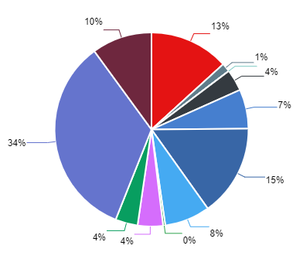
Summary Performance Operation - All Tenant
Export Time | 10-03-2020 11:14:41 | Filter Start | 2020-03-01
Export By | Debi-dev | Filter END | 2020-03-10
NO | CHANNEL_NAME | MESSAGE IN | MESSAGE OUT | UNIQUE CUSTOMER | TOTAL SESSION
1 | ChatBot | 16811 | 24843 | 95381 | 101901
2 | Email | 18795 | 32788 | 31874 | 32761
3 | Facebook | 9641 | 16239 | 16381 | 9001
4 | Instagram | 5570 | 10436 | 10568 | 1981
5 | Line | 748 | 922 | 7308 | 5344
6 | Live Chat | 3365 | 3562 | 22339 | 17838
7 | Messenger | 18426 | 37841 | 100705 | 60999
8 | SMS | 35 | 40 | 42 | 0
9 | Telegram | 3624 | 8936 | 37389 | 37956
10 | Twitter | 11431 | 18748 | 19887 | 9056
11 | Twitter DM | 28866 | 84030 | 124313 | 38374
12 | Whatsapp | 8419 | 9228 | 32736 | 19565

